Centre
Employee | Age | Income | Cluster
Name 1 | 22 | 18 | 0
Name 2 | 24 | 20 | 0
Name 3 | 26 | 22 | 0
Name 4 | 28 | 25 | 0
Name 5 | 30 | 30 | 1
Name 6 | 32 | 32 | 1
Name 7 | 34 | 40 | 1
Name 8 | 36 | 41 | 2
Name 9 | 38 | 43 | 2
Name 10 | 40 | 43 | 2
C1 | 25 | 21.25
C2 | 30 | 29
C3 | 36 | 41.333333333

ImageProcess
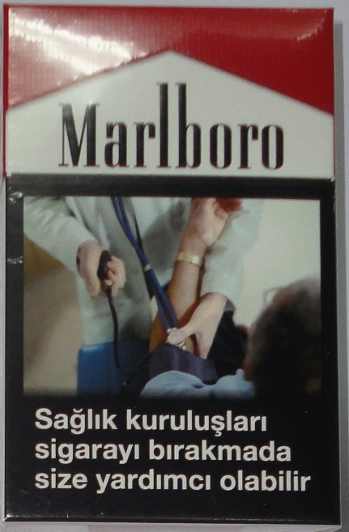

 | 0-255 |  |  | 1 | 2 | 3 | 4 | 5 | 6 | 7 | 8 | 9 | 10 | 11 | 12 | 13 | 14 | 15 | 16 | 17 | 18 | 19 | 20 | 21 | 22 | 23 | 24 | 25 | 26 | 27 | 28 | 29 | 30 | 31 | 32 | 33 | 34 | 35 | 36 | 37 | 38 | 39 | 40 | 41 | 42 | 43 | 44 | 45
217 | 217 | 217 | 1 | 217 | 217 | 217 | 217 | 217 | 217 | 217 | 217 | 217 | 217 | 217 | 217 | 166 | 166 | 166 | 166 | 166 | 166 | 166 | 166 | 166 | 166 | 166 | 166 | 166 | 166 | 166 | 166 | 166 | 166 | 166 | 166 | 166 | 166 | 166 | 166 | 128 | 128 | 128 | 128 | 128 | 128 | 128 | 128 | 128
217 | 217 | 217
217 | 217 | 217
217 | 217 | 217
166 | 166 | 166 |  | 9000
166 | 166 | 166
166 | 166 | 166
166 | 166 | 166
166 | 166 | 166
166 | 166 | 166
166 | 166 | 166
166 | 166 | 166
128 | 128 | 128
128 | 128 | 128
128 | 128 | 128

